PSFBIL01
TWS calendar name | PSFBIL01
Autosys Name | PSF_BIL_CL_CTS_WKLY
Description | This calendar is for the weekly processing of the CTS feed file.

Screenshot from TWS
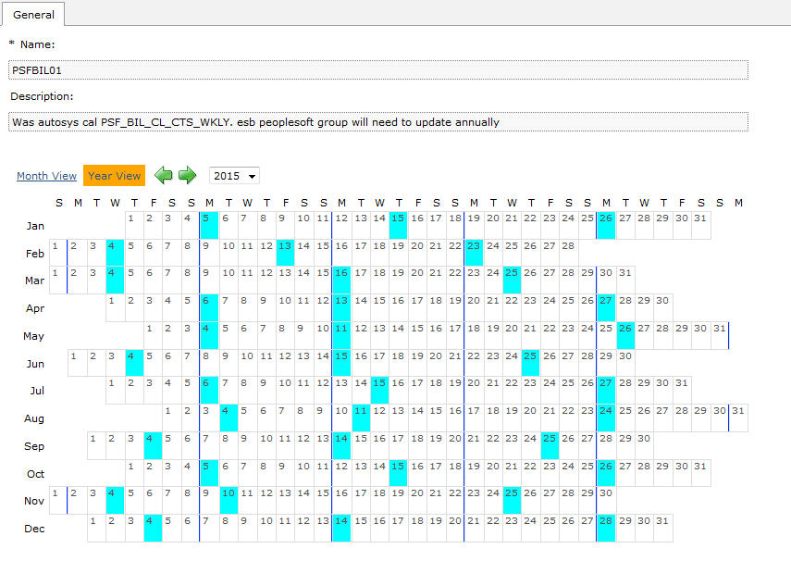

Jobs that run under this calendar

Job stream | Job stream description | Run time
PSF_BIL_UCTWK1_P | Weekly CTS POLCPF Data Load | 9:00:00

PSFBIL02
TWS calendar name | PSFBIL02
Autosys Name | PSF_BIL_CL_WKD_TO_SAT_SKIP_MON
Description | Runs every workday plus 2nd and 3rd Saturdays of the month. However it does not on corporate holidays.

Screenshot from TWS
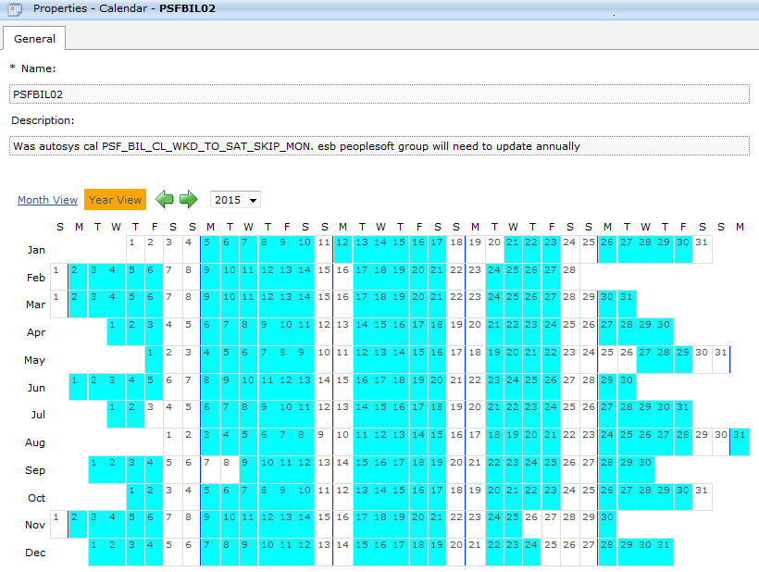

Jobs that run under this calendar

Job stream | Job stream description | Run time
PSF_BIL_ATS_01_P | Alliance Tagging Service - ATS Box | 3:00:00
PSF_BIL_ATSFW1_P | ATS FileWatcher Box | 3:00:00
PSF_BIL_ATLTB1_P | Contains ATS Load Tables SQRs | 3:00:00

PSFBIL03
TWS calendar name | PSFBIL03
Autosys Name | PSF_BIL_CL_NON_1ST_WD_WK
Description | Runs every work day except workday 1 and workday 4 . It does not run on holidays.

Screenshot from TWS
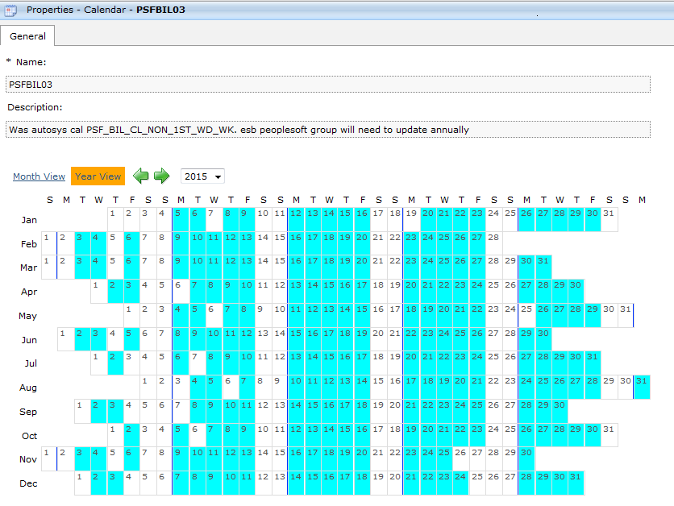

Jobs that run under this calendar

Job stream | Job stream description | Run time
PSF_BIL_B141U2_P | Non WorkDay 1 process for Percentage of Claims Invoicing Process | 13:00:00

PSFBIL05
TWS calendar name | PSFBIL05
Autosys Name | PSF_BIL_CL_1ST_WD_WK
Description | This calendar runs during Workday 4

Screenshot from TWS
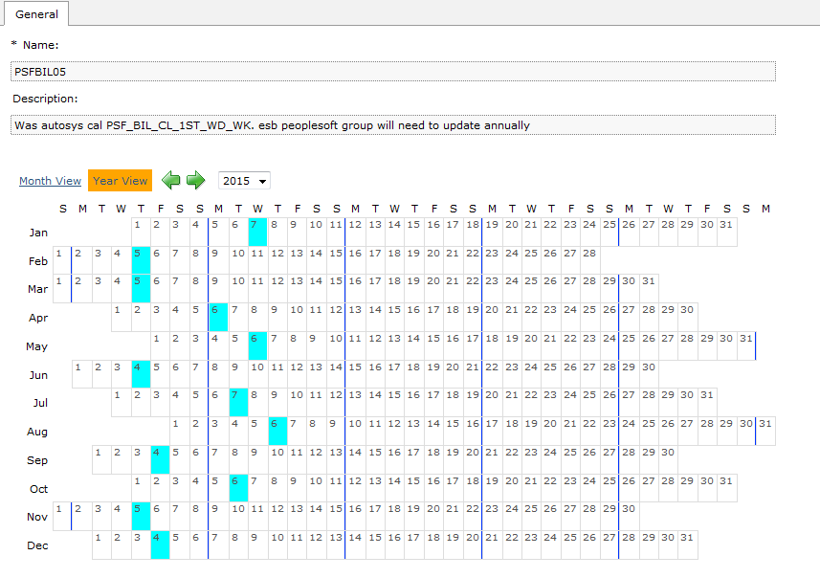

Jobs that run under this calendar

Job stream | Job stream description | Run time
PSF_BIL_B141U1_P | BOX FOR NON-WD1 OF WEEK PERCENTAGE OF CLAIMS PROCESSING | 13:00:00
PSF_BIL_BI141U_P | File watcher Box for Claims file on 1st WD WK | 13:00:00
PSF_ACR_GPRLW4_P | Premium Loads to SIMON for Schedule Rule 515 on WD4 | 23:58:00

PSFACR00
TWS calendar name | PSFACR00
Autosys Name | PSF_ACR_CL_2PRI_CAL1
Description | This is for scheduled direct debit jobs for Medica group. The jobs will run 2 business days prior to settlement date of calendar day 1. If calendar day 1 is a holiday or weekend, the next business day is treated as calendar day 1. The jobs will not run on WD 1.

Screenshot from TWS
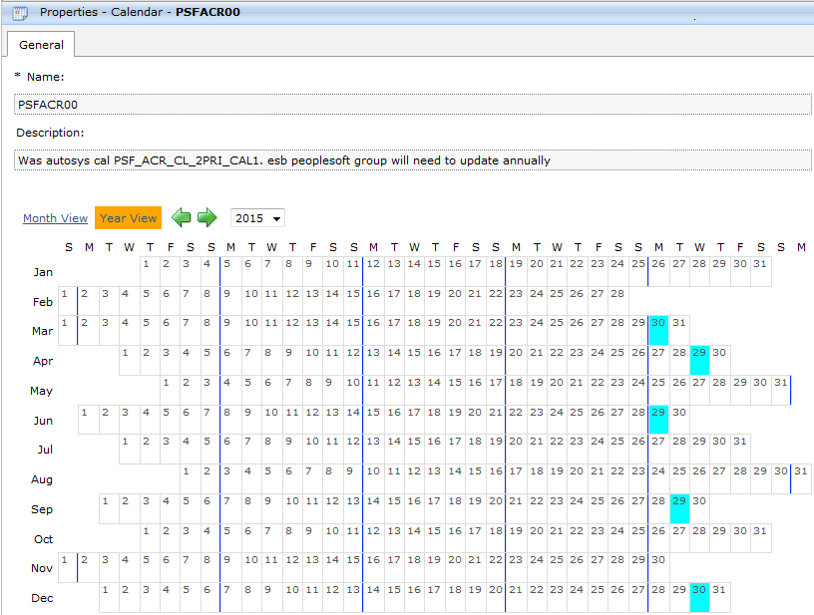

Jobs that run under this calendar

Job stream | Job stream description | Run time
PSF_ACR_2P101_P | AR SCHEDULED DIRECT DEBIT - 2PRI CAL1 | 16:00:00
PSF_ACR_2P10MI_P | AR SCHEDULED DD - 2PRI CAL1 - MI Individual Business | 16:00:00

PSFACR01
TWS calendar name | PSFACR01
Autosys Name | PSF_ACR_CL_2PRI_CAL10
Description | This is for scheduled direct debit jobs for the 10th of the month scheduled direct group. This jobs under this calendar runs 2 bus days prior to settlement date of calendar day 10. If calendar day 10 is a holiday or weekend, the next business day is treated as calendar day 10.

Screenshot from TWS
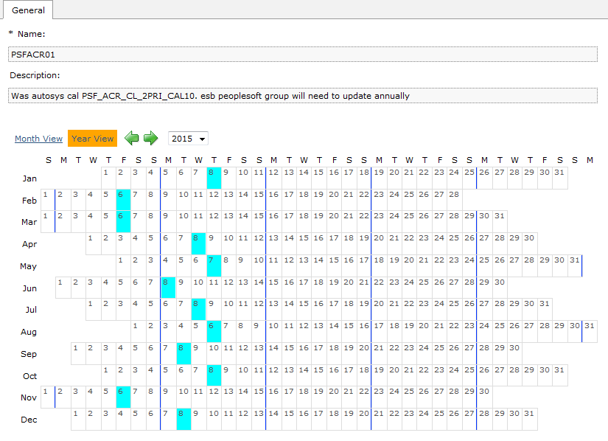

Jobs that run under this calendar

Job stream | Job stream description | Run time
PSF_ACR_2P1001_P | AR SCHEDULED DIRECT DEBIT - 2PRI CAL10 | 16:00:00
PSF_ACR_A121U1_P | Monthly run for broker statement input file | 1:00:00

PSFACR02
TWS calendar name | PSFACR02
Autosys Name | PSF_ACR_CL_2PRI_CAL24
Description | This is for scheduled direct debit jobs for the 24th of the month scheduled direct debit group. This jobs under this calendar runs 2 business days prior to settlement date of calendar day 24. If calendar day 24 is a holiday or weekend, the next business day is treated as calendar day 24.

Screenshot from TWS

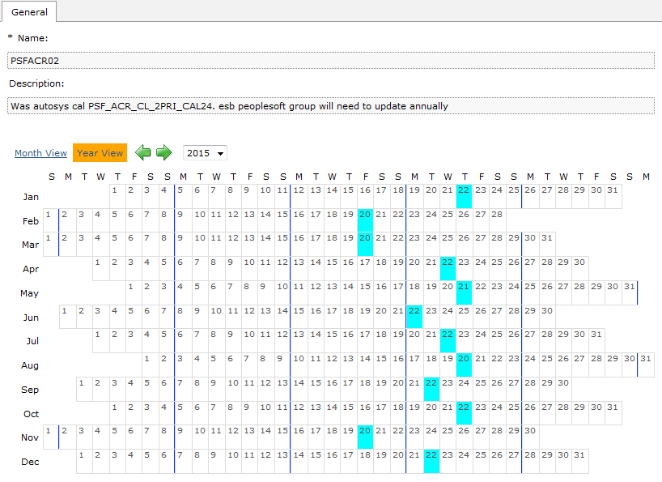

Jobs that run under this calendar

Job stream | Job stream description | Run time
PSF_ACR_2P2401_P | AR SCHEDULED DIRECT DEBIT - 2PRI CAL24 | 16:00:00

PSFACR03
TWS calendar name | PSFACR03
Autosys Name | PSF_ACR_CL_2PRI_CAL25
Description | This is for scheduled direct debit jobs for the 25th of the month scheduled direct debit group. This jobs under this calendar runs 2 business days prior to settlement date of calendar day 25. If calendar day 25 is a holiday or weekend, the next business day is treated as calendar day 25.

Screenshot from TWS
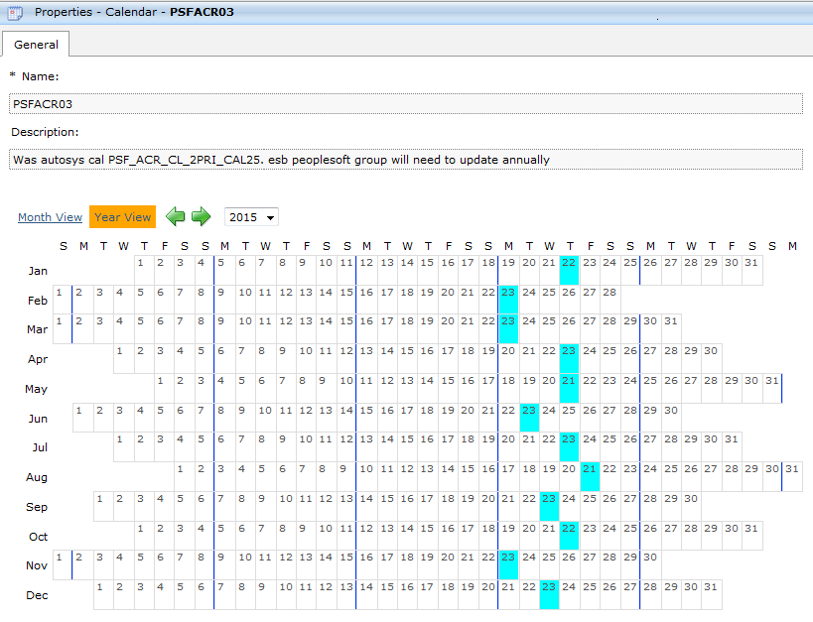

Jobs that run under this calendar

Job stream | Job stream description | Run time
PSF_ACR_2P2501_P | AR SCHEDULED DIRECT DEBIT - 2PRI WD25 | 18:00:00

PSFACR04
TWS calendar name | PSFACR04
Autosys Name | PSF_ACR_CL_2PRI_CAL6
Description | This is for scheduled direct debit jobs for the 6th of the month scheduled direct debit group. This jobs under this calendar runs 2 business days prior to settlement date of calendar day 6. If calendar day 6 is a holiday or weekend, the next business day is treated as calendar day 6.

Screenshot from TWS
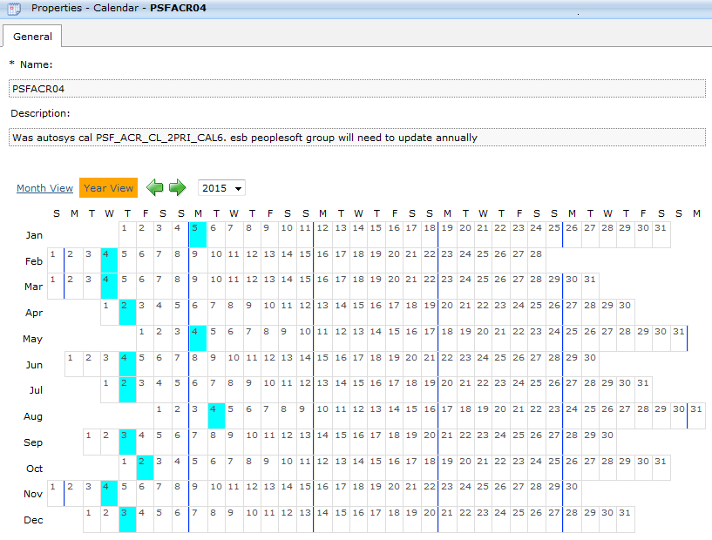

Jobs that run under this calendar

Job stream | Job stream description | Run time
PSF_ACR_2P601_P | AR SCHEDULED DIRECT DEBIT - 2PRI CAL6 | 22:00:00

PSFACR05
TWS calendar name | PSFACR05
Autosys Name | PSF_ACR_CL_2PRI_NON_WD1_BYPASS
Description | Runs all weekdays other than: Holidays, workday 1 and the days that the following calendars run: PSFACR00, PSFACR01, PSFACR02 PSFACR04 , PSFACR06, PSFACR03

Screenshot from TWS

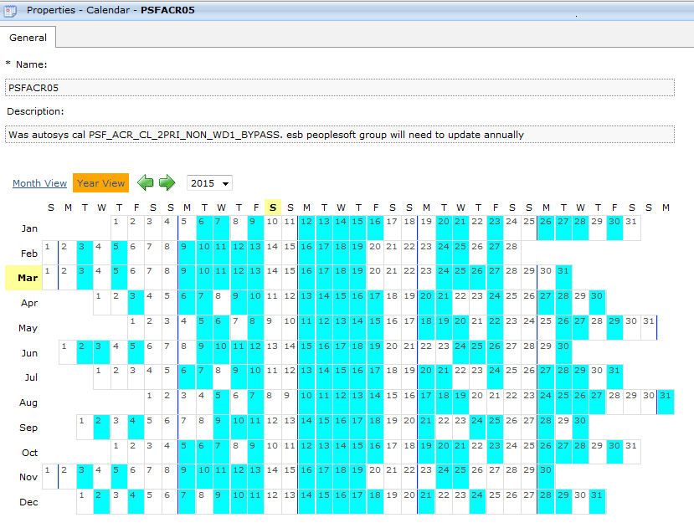

Jobs that run under this calendar

Job stream | Job stream description | Run time
PSF_ACR_D01_P | AR SCHEDULED DIRECT DEBIT Job for Non Work Day 1 | 16:00:00
PSF_ACR_SCARD1_P | AR SCHEDULED DIRECT DEBIT BOX for Non Work Day 1 | 16:00:00

PSFACR06
TWS calendar name | PSFACR06
Autosys Name | PSF_ACR_CL_4PRI_CAL1
Description | This is for scheduled direct debit jobs for Medica group. The jobs will run 4 business days prior to settlement date which is calendar day 1. If calendar day 1 is a holiday or weekend, the next business day is treated as calendar day 1. This is used if there are more than 2 days from the run date and the settlement date (i.e. weekends, holidays, etc).The jobs will not run on WD 1.

Screenshot from TWS
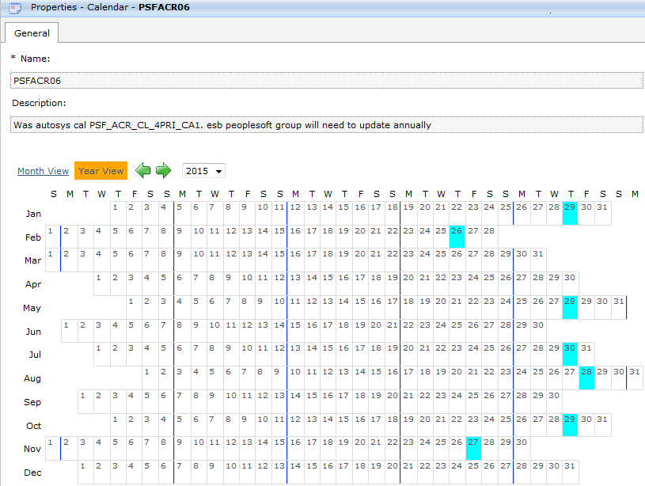

Jobs that run under this calendar

Job stream | Job stream description | Run time
PSF_ACR_4P101_P | AR SCHEDULED DIRECT DEBIT - 4PRI CAL1 | 16:00:00

PSFACR08
TWS calendar name | PSFACR08
Autosys Name | PSF_ACR_CL_ADHOC_LOCKBOX
Description | Calendar is use to process lockbox files when banks are open but UHG is closed. It runs the Saturday after Thanksgiving and also may run if any other UHC Holidays fall on a banking day.

Screenshot from TWS
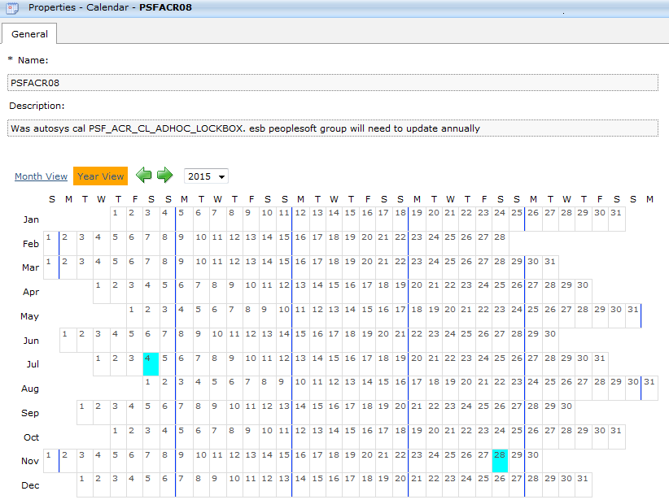

Jobs that run under this calendar

Job stream | Job stream description | Run time
PSF_ACR_ALDLBX_P | Jobs to load lockboxes | 6:00:00
PSF_ACR_LDLBX7_P | Jobs to load lockboxes | 6:00:00
PSF_ACR_CSHCT7_P | Cash control | 6:00:00
PSF_ACR_AR24U7_P | Unlock AR items | 6:00:00
PSF_ACR_ARPRE5_P | Payment predictor | 6:00:00
PSF_ACR_ARUP21_P | AR Update | 6:00:00
PSF_ACR_A12U13_P | Paid in advance | 6:00:00
PSF_ACR_BGQUAD_P | SIMON extract | 7:00:00
PSF_ACR_ESBCNA_P | eSBPP extract | 7:00:00

PSFACR09
TWS calendar name | PSFACR09
Autosys Name | PSF_ACR_CL_AR032UHC_01
Description | Runs 2 business days prior to the day the PSFACR00 and PSFACR06 runs

Screenshot from TWS
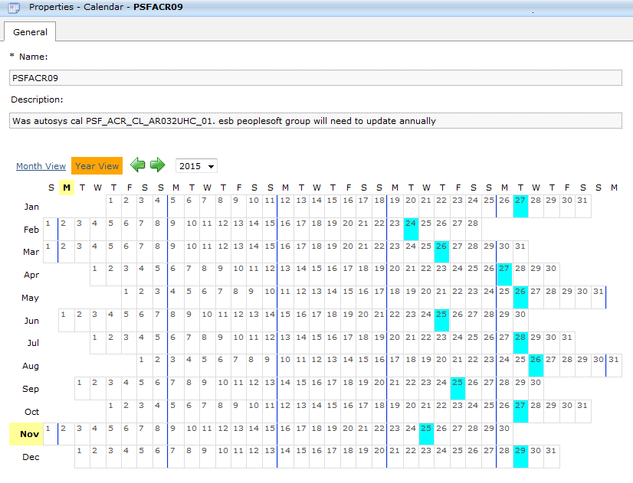

Jobs that run under this calendar

Job stream | Job stream description | Run time
PSF_ACR_AR32U2_P | Unapplied Cash DD Customers Report | 20:00:00

PSFACR10
TWS calendar name | PSFACR10
Autosys Name | PSF_ACR_CL_AR032UHC_10
Description | Runs 2 business days prior to the day that PSFACR01 runs

Screenshot from TWS
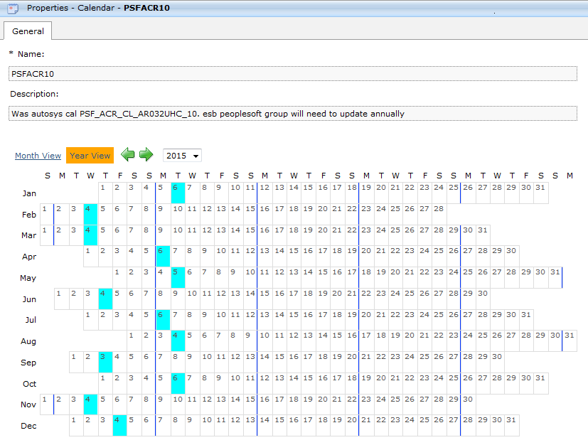

Jobs that run under this calendar

Job stream | Job stream description | Run time
PSF_ACR_AR32U1_P | Unapplied Cash DD Customers Report | 20:00:00

PSFACR11
TWS calendar name | PSFACR11
Autosys Name | PSF_ACR_CL_AUTO_MAINT_ZERO_BAL
Description | The jobs on this calendar will run on Fridays and Last workday of the month excluding Holidays. It also runs on every day that AR_2PRI_CAL10 is scheduled. This calendar should not be scheduled to run on WD1.

Screenshot from TWS
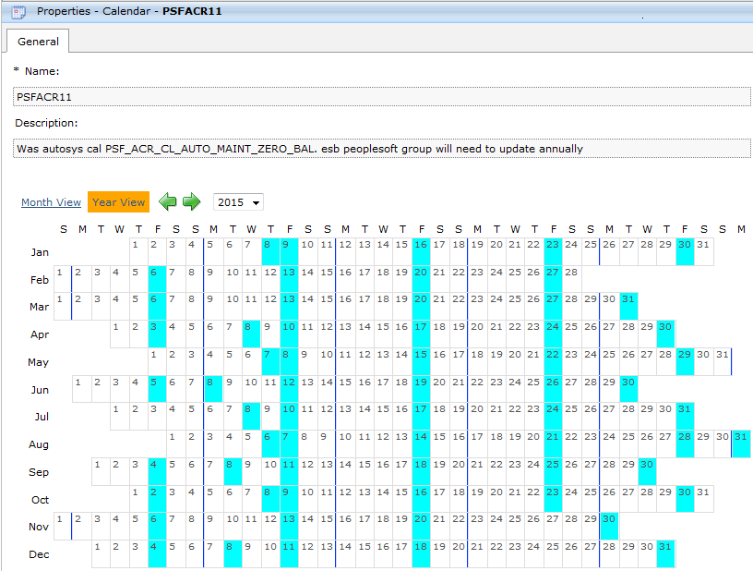

Jobs that run under this calendar

Job stream | Job stream description | Run time
PSF_ACR_ARPA02_P | Payment Predictor and Auto Maintenance Processing | 16:00:00
PSF_ACR_ARPRA2_P | MBU Box ARPREDCT AUTO 02 - Daily. | 16:00:00
PSF_ACR_ARPRE8_P | Payment Predictor Processing - NON WD1 | 16:00:00
PSF_ACR_ARUP14_P | MBU Box ARUPDATE 14 - Daily. | 16:00:00
PSF_ACR_BXAZ11_P | MBU Box ARPREDCT ZERO 11 - Daily. | 16:00:00

PSFACR12
TWS calendar name | PSFACR12
Autosys Name | PSF_ACR_CL_RR_ESBPP_LS
Description | This calendar is scheduled to run on eSBPP Rollback Reconvert dates.

Screenshot from TWS
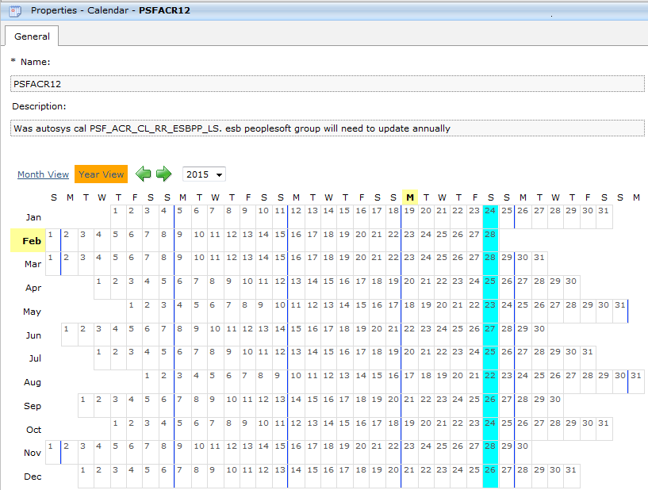

Jobs that run under this calendar

Job stream | Job stream description | Run time
PSF_ACR_ESBCO2_P | ESBPP Customer Conversion2 Box | 8:00:00
PSF_ACR_ESBSU1_P | ESBPP Customer Conversion - Extract 1 | 8:00:00
PSF_ACR_ESBSU2_P | ESBPP Customer Conversion - Extract 2 | 8:00:00
PSF_ACR_ESBSU3_P | ESBPP Customer Conversion - Extract 3 | 8:00:00

PSFACR13
TWS calendar name | PSFACR13
Autosys Name | PSF_ACR_CL_BI_NON_WD1_CHK
Description | Run the day after the PSF_ACR_CL_BI_NON_WD1 (even if it is weekend or holiday)

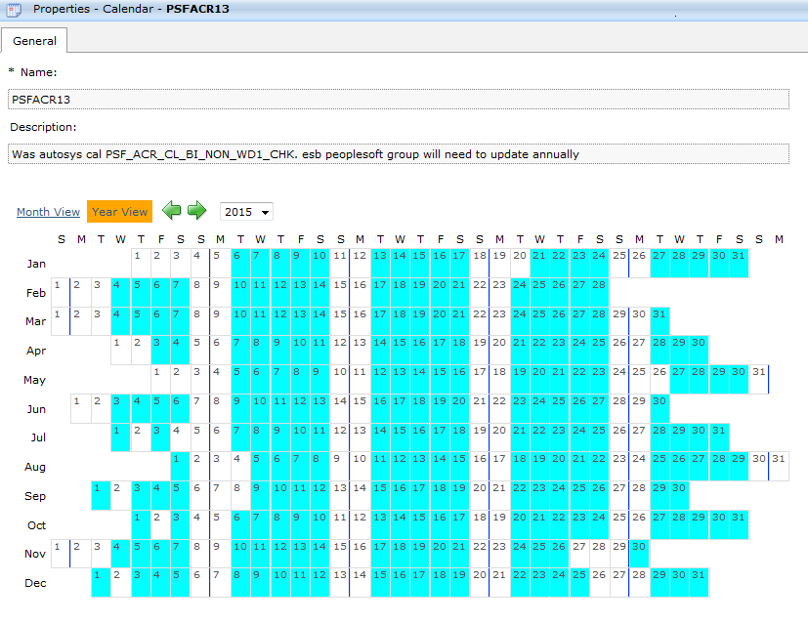
Screenshot from TWS

Jobs that run under this calendar

Job stream | Job stream description | Run time
PSF_ACR_BGQUE4_P | Simon control jobs | 8:50:00
PSF_ACR_BCHPDY_P | Check Point Jobs Box - Daily | 11:00:00
PSF_ACR_CHKPTE_P | Early Morning Checkpoint Jobs - NON WD1 | 4:15:00
PSF_ACR_BGQUE1_P | GS Query Extracts - NON WD1 | 6:20:00

PSFACR14
TWS calendar name | PSFACR14
Autosys Name | PSF_ACR_CL_BI_PIA_UNRD_CAL_18
Description | Runs on calendar Day 18 - if the 18th falls on a Saturday, then it runs on the 17th. If the 18th falls on a Sunday, then it runs on the 19th.

Screenshot from TWS
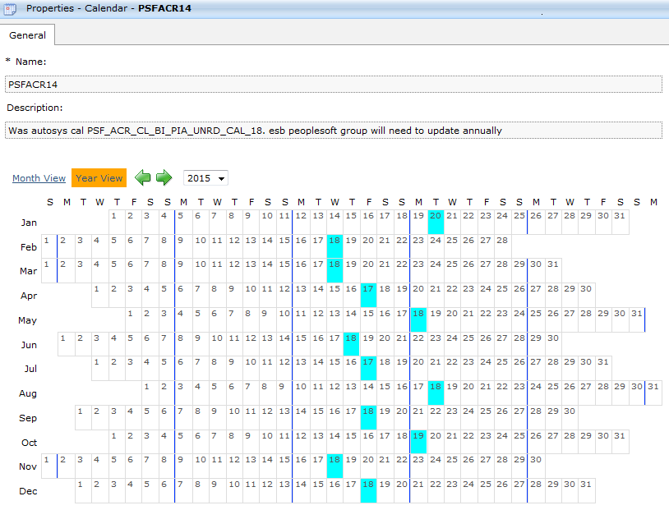

Jobs that run under this calendar

Job stream | Job stream description | Run time

PSFACR15
TWS calendar name | PSFACR15
Autosys Name | PSF_ACR_CL_WD1_CHK
Description | Runs the day after workday 1

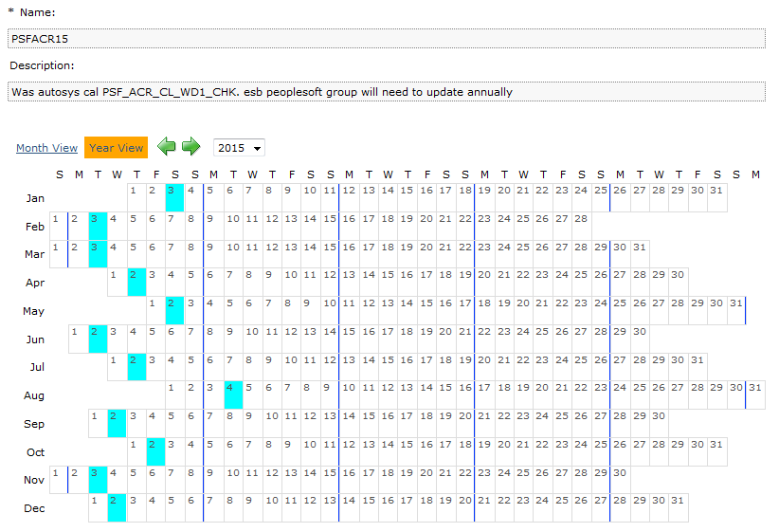
Screenshot from TWS
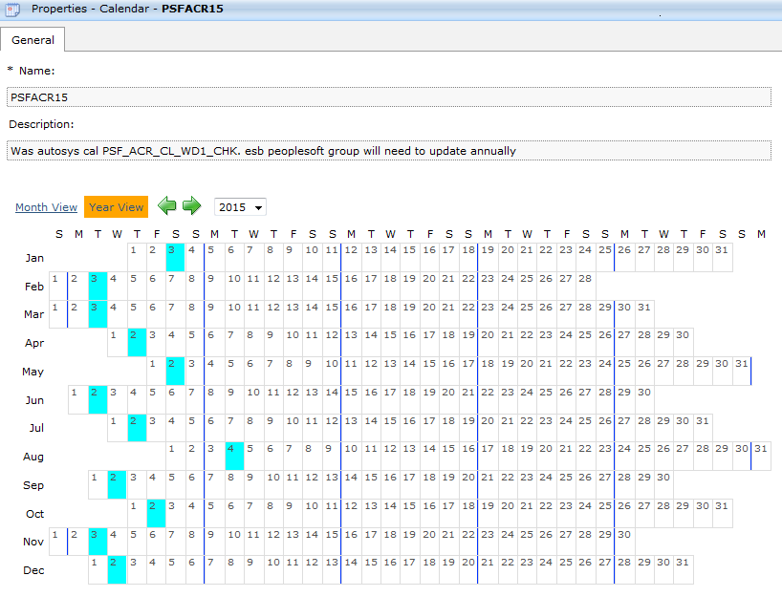

Jobs that run under this calendar

Job stream | Job stream description | Run time
PSF_ACR_BGQUE2_P | Simon job extracts for workday 1 | 0:05:00
PSF_ACR_CHPEW1_P | Early Morning Checkpoint Jobs for workday 1 | 4:15:00

PSFACR16
TWS calendar name | PSFACR16
Autosys Name | PSF_ACR_CL_WEEKDAYS
Description | Runs every weekdays except holidays, workday 1, last work day and the days that PSFACR11 runs

Screenshot from TWS
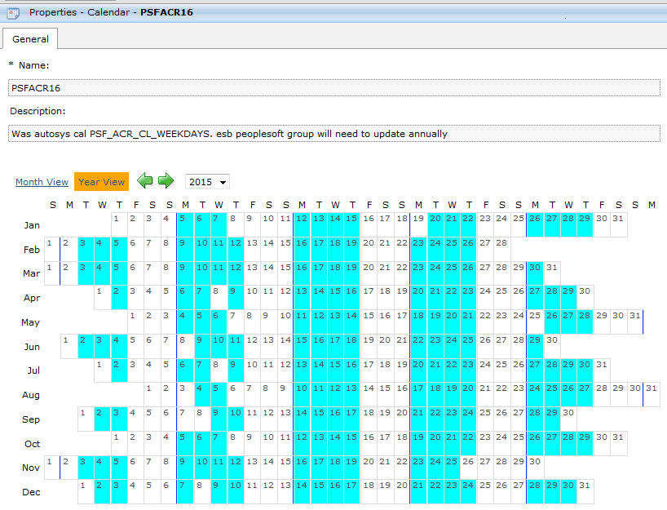

Jobs that run under this calendar

Job stream | Job stream description | Run time
PSF_ACR_ARPRE1_P | Payment predictor job stream | 16:00:00

PSFACR17
TWS calendar name | PSFACR17
Autosys Name | PSF_ACR_CL_DAILY
Description | Runs every weekdays except on holidays, workday 1, workday 5 and the days that PSF_ACR_CL_CAL_DAY18 runs

Screenshot from TWS
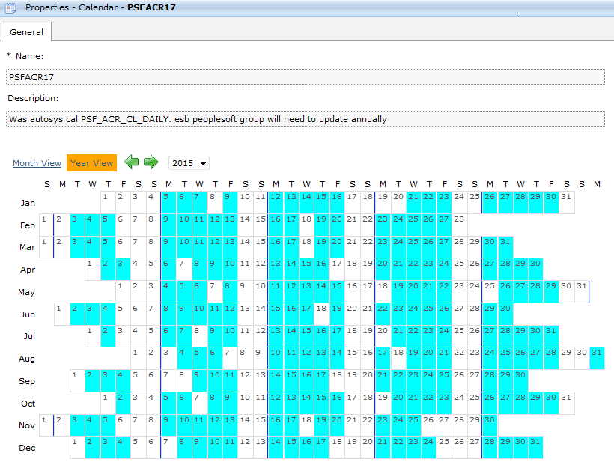

Jobs that run under this calendar

Job stream | Job stream description | Run time
PSF_BIL_B138U1_P | Job streams that sends NSF fee details to Duncan | 21:30:00
PSF_BIL_BVCSDL_P | Daily bypass unix job stream | 14:00:00
PSF_BIL_DAILY_P | Daily bypass unix job stream | 16:00:00

